SPEC
 |  | DESCRIPTION : MENS HOODY |  |  |  |  | MOTLEY DENIM
 |  | SPEC BASED ON : MD OWN CHART |  |  |  |  | SIZE RANGE: PLUS 2XL - 12XL
Measurements in Centimetres : |  |  | DATE : 16/07/21 |  |  | REVISED: 10/07/24 |  |  |  | REVISED:
 |  |  | 2XL | 3XL | 4XL | 5XL | 6XL | 7XL | 8XL | 10XL | 12XL | TOL+/-
A | CHEST 2.5cm BELOW ARMHOLE |  | 69 | 74 | 79 | 84 | 89 | 94 | 99 | 109 | 119 | 1
B | ACROSS SHOULDER -seam to seam |  | 61 | 63 | 65 | 67 | 69 | 71 | 73 | 77 | 81 | 1
C | HEM WIDTH ABOVE RIB |  | 60 | 65 | 70 | 75 | 80 | 85 | 90 | 100 | 110 | 1
D | HEM WIDTH BOTTOM OF RIB |  | 56 | 61 | 66 | 71 | 76 | 81 | 86 | 96 | 106 | 1
E | HEM RIB DEPTH |  | 7.5 | 7.5 | 7.5 | 7.5 | 7.5 | 7.5 | 7.5 | 7.5 | 7.5 | 0.5
F | FRONT LENGTH FROM side neck |  | 86 | 88 | 90 | 92 | 94 | 96 | 98 | 102 | 106 | 1
G | BACK NECK WIDTH - seam to seam |  | 23 | 23.5 | 24 | 24.5 | 25 | 25.5 | 26 | 27 | 28 | 1
H | FRONT NECK DROP - side neck to seam |  | 12 | 12 | 12.5 | 12.5 | 13 | 13 | 13.5 | 14 | 14.5 | 0.5
I | BACK NECK DROP side neck to seam |  | 3 | 3 | 3 | 3 | 3 | 3 | 3 | 3 | 3 | 0
J | ARMHOLE STRAIGHT seam to seam |  | 33 | 34.5 | 36 | 37.5 | 39 | 40.5 | 42 | 45 | 48 | 1
K | SLEEVE LENGTH |  | 67 | 68 | 69 | 70 | 71 | 72 | 73 | 75 | 77 | 1
L | CUFF WIDTH |  | 10.5 | 10.5 | 11 | 11 | 11.5 | 11.5 | 12 | 12.5 | 13 | 0.5
M | CUFF DEPTH |  | 7.5 | 7.5 | 7.5 | 7.5 | 7.5 | 7.5 | 7.5 | 7.5 | 7.5 | 0.5
N | HOOD WIDTH at widest |  | 29 | 29 | 30 | 30 | 31 | 31 | 32 | 33 | 34 | 1
O | HOOD HEIGHT at face edge |  | 42 | 42 | 43 | 43 | 44 | 44 | 45 | 46 | 48 | 1
P | HOOD CORD from exit |  | 30 | 30 | 30 | 30 | 30 | 30 | 30 | 30 | 30 | 1
Q | CHEST LOGO POSITION FROM SIDE NECK |  | 25 | 26 | 27 | 28 | 29 | 30 | 31 | 33 | 35 | 0.5
R | CHEST LOGO POSITION FROM CF |  | 12 | 13 | 14 | 15 | 16 | 17 | 18 | 20 | 22 | 0.5
S | HOOD PANEL WIDTH |  | 11 | 11 | 11 | 11 | 11 | 11 | 11 | 11 | 11 | 0.5
T | CHEST PIPING (POSITION DOWN FROM CHEST LOGO) |  | 6 | 6 | 6 | 6 | 6 | 6 | 6 | 6 | 6 | 0.5
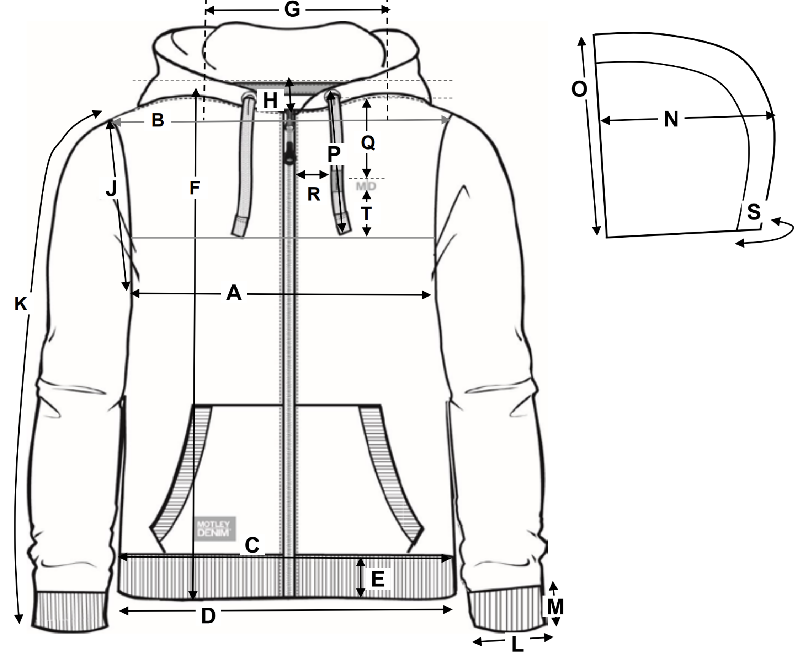
QC COMMENTS

Added chest logo position
Added chest piping position
Added hood panel width

MISSING MEASUREMENT POINTS
I & J

© ALL RIGHTS RESERVED TO MOTLEY DENIM EUROPE Oü,NARVA MNT 5,10117 TALLINN, ESTONIA

